Sheet1
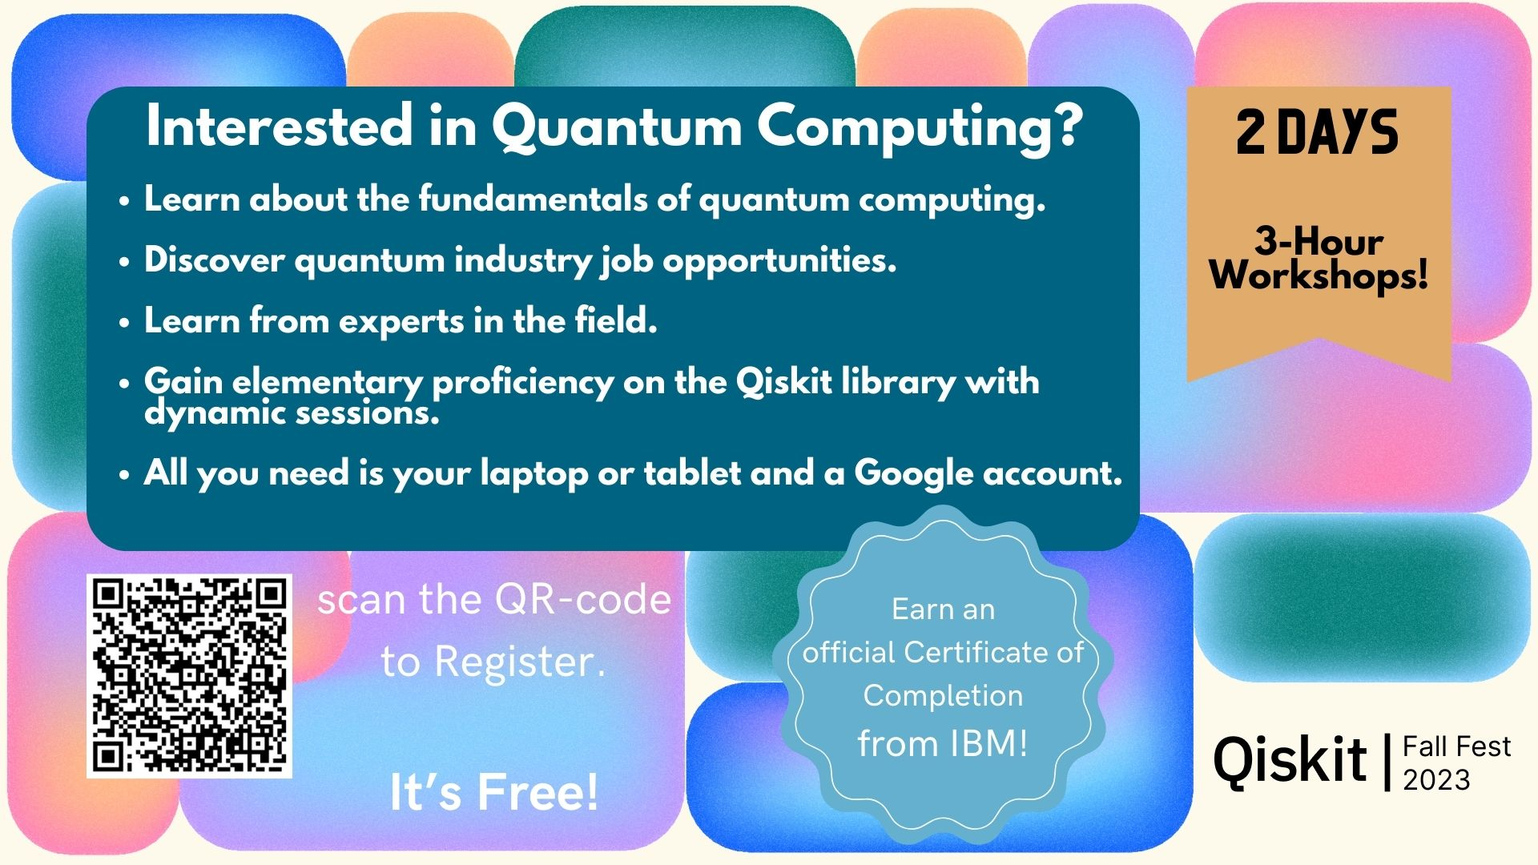
 |  | Date (November)
Time | Duration (min) | 8th | 10th
14:00 - 14:30 | 30 | Opening: Campus Dean + Intro to QC + Job opportunities + | Opening: Quantum application (Qpong) + AI generation teaser
14:30 - 15:30 | 60 | SaxonQ | International Speaker
 |  |  | QSC (Aakash)
15:30 - 16:00 | 30 | Break (sponsored by Lancaster) | Break (sponsored by Lancaster)
16:00 - 17:30 | 90 | Demo/Qiskit fundamentals | IBM Qiskit Labs (Certified)

Place: | + Seminar Room 716
To do: | + Move Computer Science workshop held by David to the earlier session (10th) |  |  | Poster:
 | + Contact SaxonQ |  |  | + Include Lancaster and IBM logos
 | + Check for availabity of international speaker |  |  | + Include dates
 |  |  |  | + 3 hours of seminars and workshops?

